Instruction
 | INSTRUCTIONS FOR ABS FINANCIAL TEMPLATE

 | Business Name: |  |  | Your Name:

 | Job Seeker ID Number:

 | Planned Business start date: |  |  | Example: For the Date type in 1/1/20 and Tuesday, 1 January 2020 will appear

 | GST REGISTRATION
 | Registered for GST = 10 | 0
 | Not Registered for GST = 0

1 | Enter details above in the yellow.
 | Note: This is really important as it copies through to all of the other sheets

2 | You will need to complete all the sheets that are green. After you have finished one, change the tab colour by
 | right clicking on the tab and choosing another colour |  | like blue
 | Complete each worksheet (tab) as per below order.
 | On these sheets, ONLY fill in the spaces that are shaded yellow

3 | Complete the 'EstCost' Sheet - This is used to list Business Establishment Costs
 | This is a listing of the $ value of Fixed Assets & Stock/Expense Items that you already have and that you need to purchase
 | to run your business.
 | * Asset = vehicles, office furniture, large equipment
 | * Stock = goods or merchandise that you need to keep on hand to sell
 | * Expense item = office expenses, technology connections, rent for premises, insurance

4 | Complete the 'PersonalBudget' Sheet
 | A personal buget is used to confirm your personal income and expenses for each month.
 | It is broken down into months.
 | * INCOME - personal money that you receive
 | * EXPENSES - personal money that you pay out
 | Important: Check the 'amount remaining' at the bottom of each month to ensure there is enough money left over.
 | If the amount is red and a minus, this means there are too many expenses or not enough income in that month.
 | Look at how you can reduce expenses or increase income.
 | Note: Drawings from Business - nothing to do here at this point

5 | Complete the 'SalesMix-Yr1' Sheet - used to estimate how much income your business will make
 | In this sheet you will itemise what you will be selling, how much it costs to sell (if stock, how much that stock item costs)
 | and how many you will be selling every month. Remember to allow for seasonal changes and gradual growth in income over the year.
 | At the bottom of the spreadsheet, you will see the total $ of sales expected compared to cost of the goods.
 | Example 1 - Bob sells lightbulbs by the carton. He sells them for $50 and it costs him $15 per carton to buy them. He plans on selling 10 every month.
 |  | 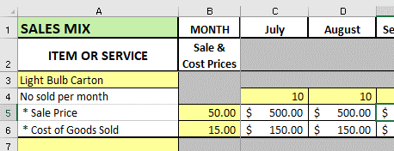

 | 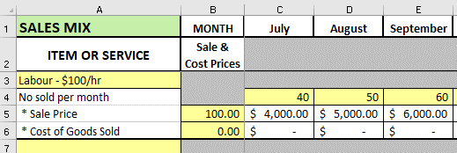 Example 2 - Jane is a consultant and charges $100 per hour, she doesn't have any costs of good sold, but she thinks her hours will increase every month.

6 | Complete the 'CashFlow-Yr1' Sheet - This is used to monitor money that is flowing in and out of your business each month.
 | - Total Sales - this is copied in directly from the 'SalesMix' sheet - there is no need to enter information here
 | - Business overheads - this is where the business expenses are entered. They are broken down into monthly costs - complete this section.
 | Note: Cost of Goods Sold - not required to be entered as this amount is pre-filled from the 'SalesMix' sheet
 | - Less Owners Drawings - enter the monthly amounts you think you may take from the business for drawings
 | This is linked direclty to the 'Personal Budget' sheet

7 | 'P&L-Yr1' - This is the Profit & Loss Report that shows Business income less Business Expenses
 | This is pre-filled directly from the Cash Flow that you have completed in the previous step

8 | Complete steps 5 and 6 for year 2 - 'SalesMix-Yr2' Sheet ' and 'CashFlow-Yr2' Sheet

9 | Complete the 'BalSheet' Sheet - The Balance Sheet is used to list what you own and what you owe. Complete this sheet.

10 | Complete the 'BreakEven' Sheet - Break-even point is the minimum amount of sales you need to make to cover all business costs.
 | Most of the information on this sheet has already been transferred from other sheets.
 | Complete the yellow area's and follow the notes written in red for tips.

11 | The 'Summary' Sheet and 'Graphs' Sheet will complete themselves

Note: Depending upon the size of your screen, some tabs may be hidden.
Use the arrows on the bottom left hand corner of the screen to reveal these.

Graph
 |  |  |  |  | YEAR 1 CASH FLOW PROJECTIONS

 |  |  |  |  |  |  |  |  |  |  |  |  | Total
Sales | $- | $- | $- | $- | $- | $- | $- | $- | $- | $- | $- | $- | $-
Expenses | $- | $- | $- | $- | $- | $- | $- | $- | $- | $- | $- | $- | $-
Cumulative Net Profit | $- | $- | $- | $- | $- | $- | $- | $- | $- | $- | $- | $- | $-

